Sheet1
 | Document No. |  | Issue No. | Issue Date |  | Review and Replace Date |  |  |  | Authorised By
 | GFF216MC |  | 4 | 10.09.2020 |  | 28.11.2022 |  |  |  | Magda Shah
 | Document Title |  | MIXED VEGETABLES PILAU RICE 300g
Document amendments reason for change | Tray and Film Updated |  |  |  | Page 1 of 1 |  | Previous Issue Date |  | 23.12.2021 | Uncontrolled copy unless signed original

CRIMVP-R4TCC |  | CHEFS CREATION | MIXED VEGETABLES PILAU RICE 300g | CHILLED
STEP 1 |  |  | STEP 2 |  |  |  |  | STEP 3
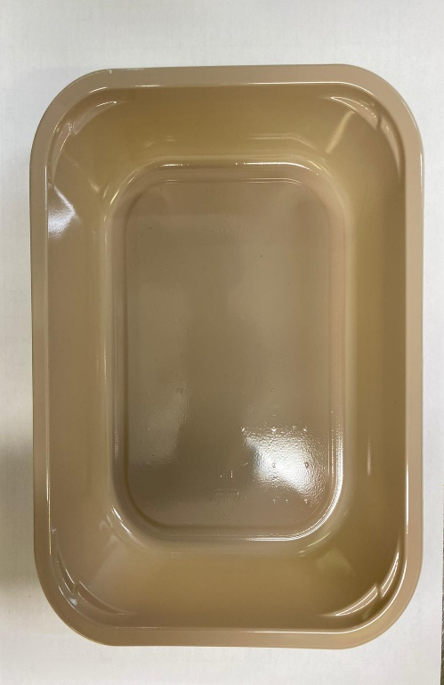 |  |  | 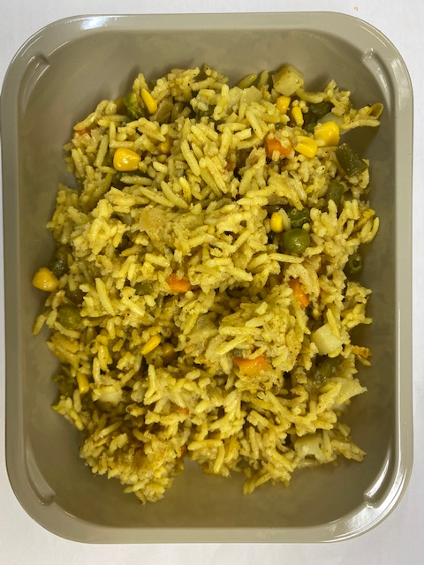 |  |  |  |  | 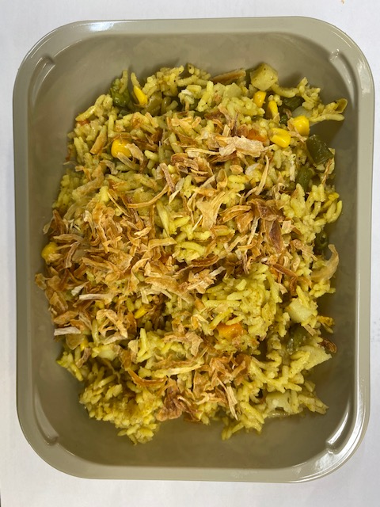

Tray: EVOLVE CPET 2200-1E (PKRHP001-08) |  |  | Mixed Vegetable Pilau Rice (CC) (GFF327R): 295g |  |  |  |  | Fried Onions (RMBAK001-03): 5g

Film: K peel 7G+25A/f- 275mm (275 mmX1000) (PKKMP001-03)

TOTAL WEIGHT: 300g
ALLERGY ALERT: none

